BOM
Item | Part Number | Thumbnail | BOM Structure | Unit QTY | QTY | Stock Number | Description | REV
1 | Main | 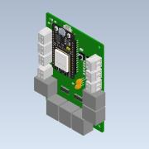 | Normal | Each | 1 |  | Open CASCADE Model
2 | Jetson nano_fixed | 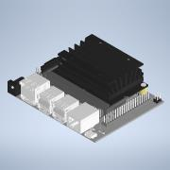 | Normal | Each | 1
3 | IEC320-C14 | 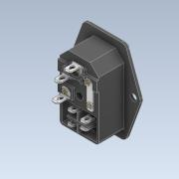 | Normal | Each | 1 |  | STEP AP214
4 | se300-t-b | 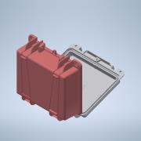 | Normal | Each | 1
5 | Waterproof Ethernet RJ45 Passthrough | 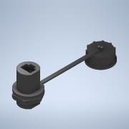 | Normal | Each | 6
6 | DELL_DA-130PE1-00 | 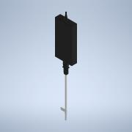 | Normal | Each | 1
7 | PowerBrick_Clamp | 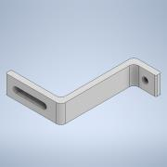 | Normal | Each | 2
8 | 12_24_5VUSBConverter | 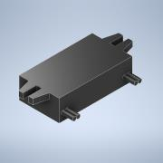 | Normal | Each | 1
9 | 25W_1224_5V | 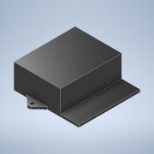 | Normal | Each | 1
10 | EboxBottom | 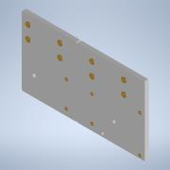 | Normal | Each | 1
11 | 95783A051_Nylon 6 6 Male-Female Threaded Hex Standoff | 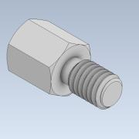 | Normal | Each | 4 |  | STEP AP203 | ANY
12 | 95783A057_Nylon 6 6 Male-Female Threaded Hex Standoff | 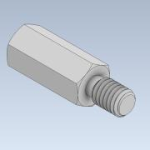 | Normal | Each | 8 |  | STEP AP203 | ANY
13 | 95783A069_Nylon 6 6 Male-Female Threaded Hex Standoff | 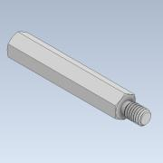 | Normal | Each | 4 |  | STEP AP203 | ANY
14 | Jetson_Mount | 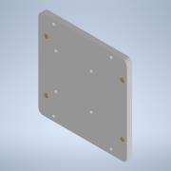 | Normal | Each | 1
15 | ESP32GRBL_Mount |  | Normal | Each | 1
16 | Bolt M3 10mm | 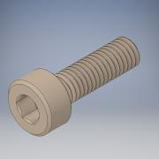 | Normal | Each | 14
17 | 98952A407_Aluminum Male-Female Threaded Hex Standoff | 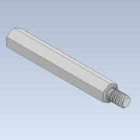 | Normal | Each | 2 |  | STEP AP203 | ANY
18 | EboxTslotMount | 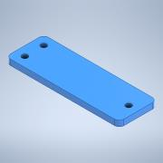 | Normal | Each | 2
19 | M5-6mm-HeatInsert | 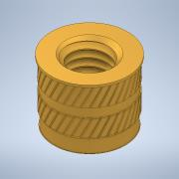 | Normal | Each | 4 |  | STEP AP203 | ANY
20 | Bolt M5 20mm | 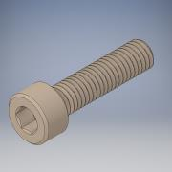 | Normal | Each | 2
21 | Bolt M5 10mm | 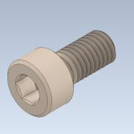 | Normal | Each | 6

